Cross Wind Calculator v2
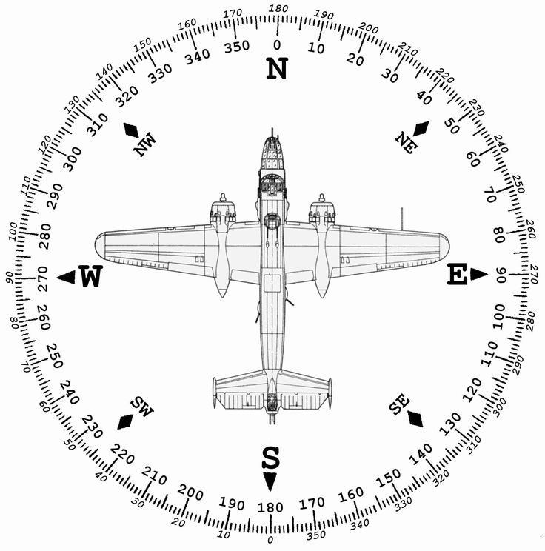
Wind vs Heading Graph |  |  |  |  |  |  | Instructions:
 |  |  |  |  |  |  | Fill the following: - Plane Heading (used to calculate the WCA) - True Air Speed (also used to calculate the WCA) - Wind Direction (used to calculate the WCA and the X/wind component) - Wind Speed (also used to calculate the WCA and the X/wind component) - Runway (2 digits) - used to calculate the X/wind and H/wind components
 | Plane True Heading | 150 |  | X | 0 | 0.5
 | True Air Speed | 95 |  | Y | 0 | -0.86602540378
 | Wind True Direction | 90
 | Wind Speed | 8 |  | X1 | 0 | 1
 | Mag Dev | 13 |  | Y1 | 0 | 0

 | Wind Correction Angle:
 | -4.0
 |  |  |  | X1 | 0 | 0.97437006479
 | Wind Magnetic Dir | 103 |  | Y1 | 0 | -0.22495105434

RWY Cross wind component (Calculator)

 | Runway (2 digits) | 27 |  | X wind: | 1.8 | KTS | Note about the formula used:
 |  |  |  | H wind: | -7.8 | KTS | The wind vector makes an angle with the runway. If you treat that wind vector as the hypothenus of a right-angled triangle, this hypothenus length being the wind speed, which adjacent side is the runway, your cross-wind component will be the opposite side of that right-angled triangle - the opposite side being the side which has a 90 degrees angle with the adjacent/runway side. In other words, it's the part of the wind that blows perpendicularily to the runway and then to the plane when it's aligned to take off. The length of the perpendicular wind component will be the cross wind speed. The formula to get the length (aka the force) of that opposite side of that right-angled triangle is : SIN(angle between runway and wind) x Wind speed
 |  |  |  | (negative Head wind = tail wind)

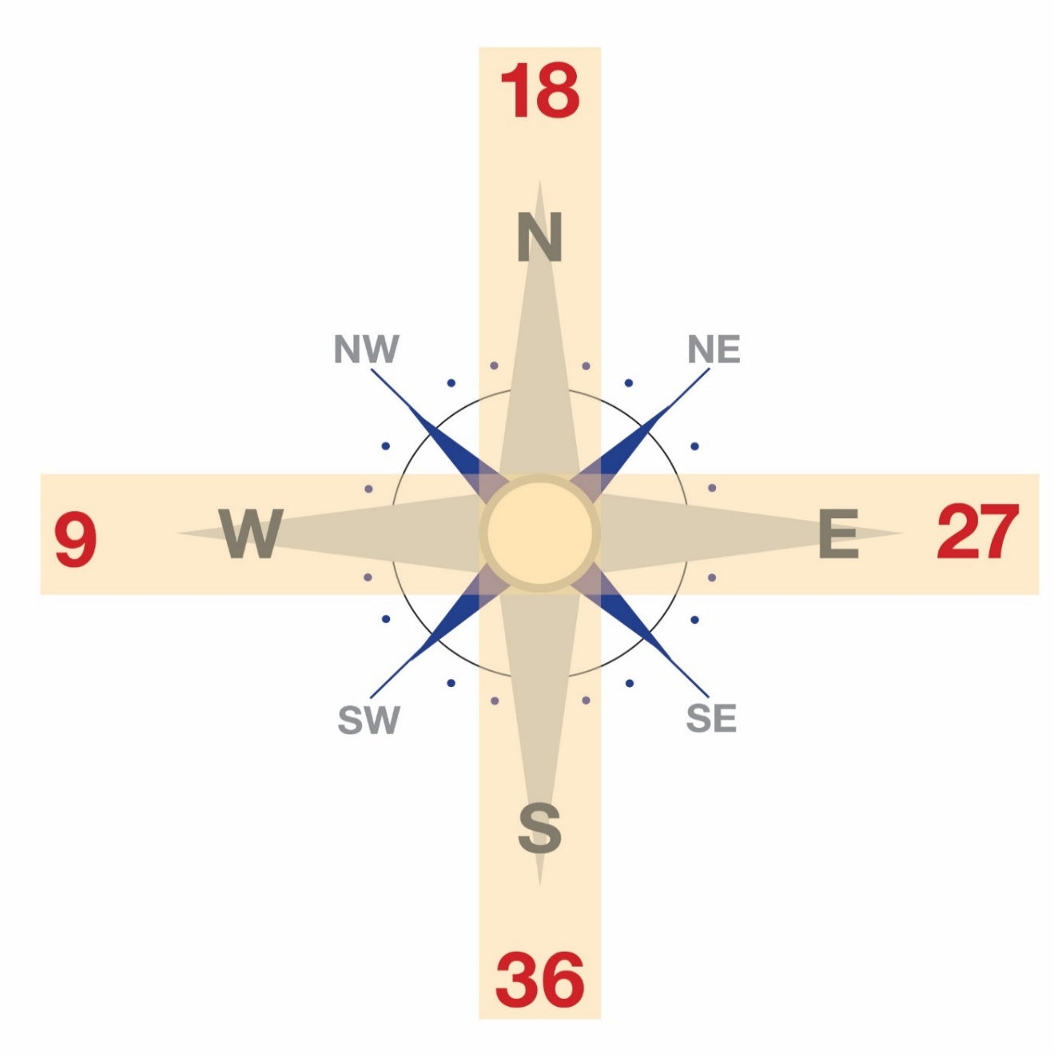
 | x | 1 | -1
 | y | 1.2251484549E-16 | -1.2251484549E-16

Cross Wind Calculator v1
Wind vs Heading Graph |  |  |  |  |  |  | Instructions:
 |  |  |  |  |  |  | Fill the following: - Plane Heading (used to calculate the WCA) - True Air Speed (also used to calculate the WCA) - Wind Direction (used to calculate the WCA and the X/wind component) - Wind Speed (also used to calculate the WCA and the X/wind component) - Runway (2 digits) - used to calculate the X/wind and H/wind components
 | Plane Heading | 180 |  | X | 0 | 6.1257422745E-17
 | True Air Speed | 95 |  | Y | 0 | -1
 | Wind Direction | 260
 | Wind Speed | 8 |  | X1 | 0 | -0.98480775301
 |  |  |  | Y1 | 0 | -0.17364817767

 | Wind Correction Angle:
 | 5.0

RWY Cross wind component (Calculator)

 | Runway (2 digits) | 27 |  | X wind: | 1.4 | KTS | Note about the formula used:
 |  |  |  | H wind: | 7.9 | KTS | The wind vector makes an angle with the runway. If you treat that wind vector as the hypothenus of a right-angled triangle, this hypothenus length being the wind speed, which adjacent side is the runway, your cross-wind component will be the opposite side of that right-angled triangle - the opposite side being the side which has a 90 degrees angle with the adjacent/runway side. In other words, it's the part of the wind that blows perpendicularily to the runway and then to the plane when it's aligned to take off. The length of the perpendicular wind component will be the cross wind speed. The formula to get the length (aka the force) of that opposite side of that right-angled triangle is : SIN(angle between runway and wind) x Wind speed
 |  |  |  | (negative Head wind = tail wind)

 | x | 1 | -1
 | y | 1.2251484549E-16 | -1.2251484549E-16

Mag Dev Compass Sample
